Publication requests
2023 |  | Top 10 Requested Publications by Name
Jan | 152 | DHS Application (English)
Feb | 160 | Authorization to Obtain or Release Health Care Information
March | 237 | DHS Application (Spanish)
April | 301 | Medicaid for Qualified Medicare Beneficiaries
May | 270 | Medically Exempt Survey
June | 476 | IA Health Link Booklet (English)
July | 632 | Estate Recovery Program
Aug | 491 | Dental Enrollment Form (English)
Sept | 390 | Medicaid Waivers Home & Comm Based
Oct | 447 | MCO Enrollment Form (English)
Nov | 360 | Healthy Behaviors Flyer
Dec | 302 | (HIPP) The HI Premium Payment Program for IA Medicaid
2024
Jan | 327
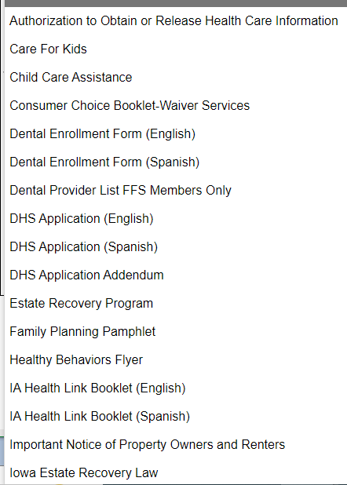
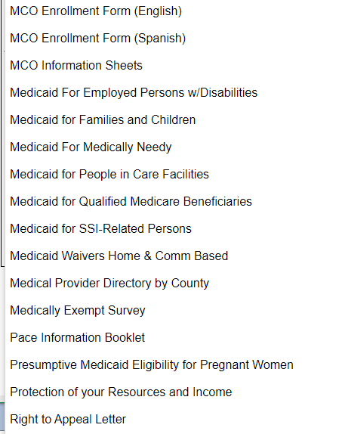
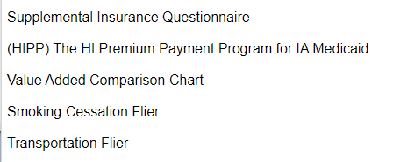
Feb | 345
March | 332
April | 314
May | 304
June | 289
July | 316
Aug | 253

